Overview
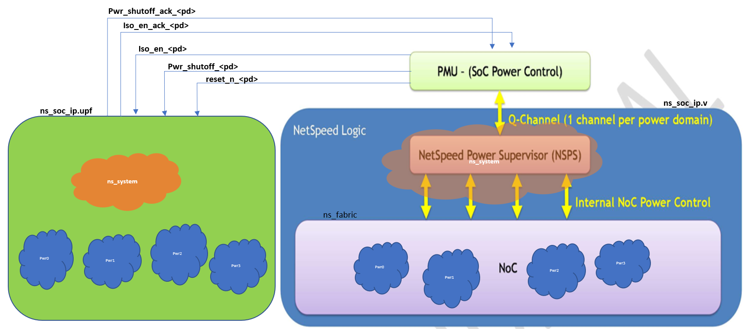
NoC
NSPS
PMXTOR
CXT
IDI
CMI
AXI SLV
AHB SLV
CMIS SLV
S
Y
N
C
U
N
I
T
req
ack
req
ack
req
ack
ack
req
QC
I/f
rst_<pd>
host clk/rst/pwr controls
host clk/rst/pwr controls
global reset and gclocks
pwr controls
clocks
ClkGen
UFI
req
ack
APB SLV

ns_soc_ip.v

Static tools | Dynamic tools | Collage tool | Coretools
 |  | 5.8 | P-2019.06-SP5
CLP / 19.10-s300 | xcelium/19.03-s003
VCLP / P-2019.06-SP2-1 | vcsmx/P-2019.06-SP2-3

Status
Techniques
Technologies
Standards
Stages
Features
Protocols
Power Aware
Tools

